Sheet1
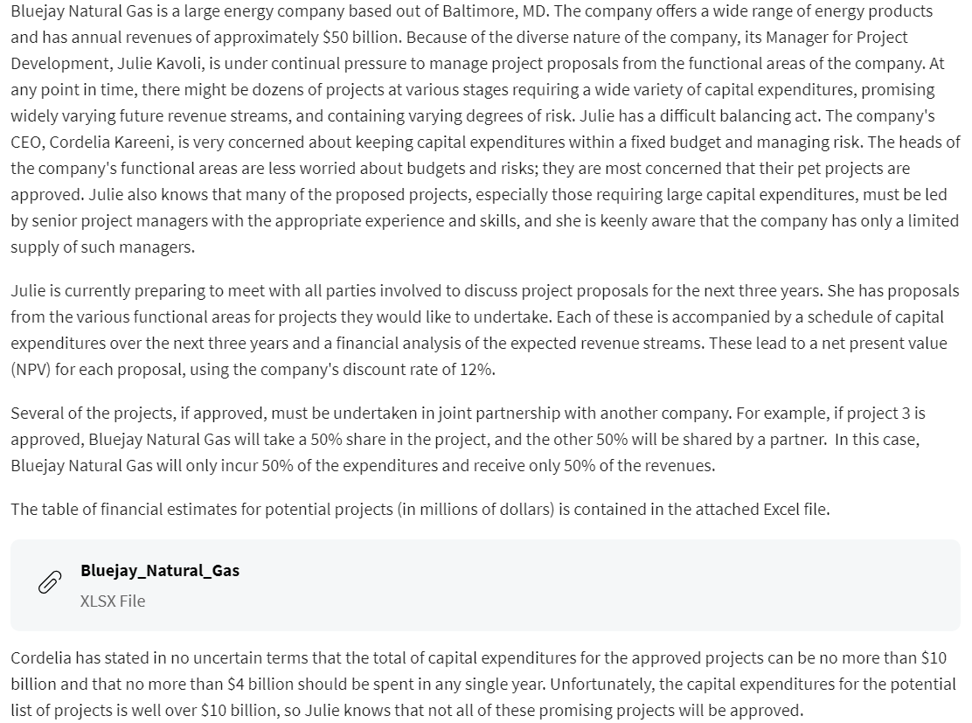
Financial Estimates for Potential Projects (in $millions) |  |  |  |  |  |  |  |  |  |  | Company term (millions)
Project Index | Functional Area (FA) | Partnership Percentage | Capex Year 1 | Capex Year 2 | Capex Year 3 | NPV |  |  |  |  | annual revenue | $50,000
1 | FA1 | 100% | 250 | 100 | 100 | 60 |  |  |  |  | total capital expenditures | $10,000
2 | FA1 | 33% | 500 | 300 | 300 | 180 |  |  |  |  | total capital expenditures per year | $4,000
3 | FA1 | 50% | 100 | 200 | 400 | 80 |  |  |  |  | discount rate | 12%
4 | FA1 | 100% | 75 | 500 | 300 | 310
5 | FA1 | 75% | 200 | 400 | 800 | 220
6 | FA2 | 50% | 1000 | 300 | 300 | 180 |  |  |  |  | Term
7 | FA2 | 100% | 750 | 750 | 300 | 410 |  |  |  |  | total capex | 1
8 | FA2 | 100% | 800 | 700 | 600 | 280 |  |  |  |  | total capex per year 1 | 1
9 | FA2 | 67% | 400 | 600 | 800 | 380 |  |  |  |  | total capex per year 2 | 1
10 | FA3 | 100% | 100 | 200 | 400 | 100 |  |  |  |  | total capex per year 3 | 1
11 | FA3 | 50% | 700 | 500 | 300 | 260 |  |  |  |  | Functional Area 1 shut out? | 1
12 | FA3 | 100% | 1500 | 400 | 400 | 340 |  |  |  |  | Functional Area 2 shut out? | 1
 |  |  |  |  |  |  |  |  |  |  | Functional Area 3 shut out? | 1
 |  |  |  |  |  |  |  |  |  |  | Each FA has at least 1 project approve | 1
Estimates for Potential Projects |  |  |  |  |  |  |  |  |  |  | Total approve projects | 8

 |  |  |  |  |  |  |  |  |  |  | Are conditions met? | 1
Project Index | Functional Area (FA) | Partnership Percentage | Capex Year 1 | Capex Year 2 | Capex Year 3 | Total Cost | NPV | Gross New NPV | profit | Approve
1 | FA1 | 100% | $250.00 | $100.00 | $100.00 | $450.00 | $60.00 | $52.80 |  | 0
2 | FA1 | 33% | $165.00 | $99.00 | $99.00 | $363.00 | $180.00 | $52.27 | 14% | 1 |  |  | Approved Cap Ex. Year Totals
3 | FA1 | 50% | $50.00 | $100.00 | $200.00 | $350.00 | $80.00 | $35.20 |  | 0 |  |  | Year 1 | Year 2 | Year 3
4 | FA1 | 100% | $75.00 | $500.00 | $300.00 | $875.00 | $310.00 | $272.80 | 31% | 1 | Functional Area: | FA 1 | $390.00 | $899.00 | $999.00
5 | FA1 | 75% | $150.00 | $300.00 | $600.00 | $1,050.00 | $220.00 | $145.20 | 14% | 1 |  | FA 2 | $1,018.00 | $1,152.00 | $836.00
6 | FA2 | 50% | $500.00 | $150.00 | $150.00 | $800.00 | $180.00 | $79.20 |  | 0 |  | FA 3 | $1,950.00 | $850.00 | $950.00
Cap Ex. Year totals per Functional Area
 |  | FA1 total approved capex | $390.00 | $899.00 | $999.00 | $2,288.00 | $710.00 | $470.27 |  | 3

Project Index | Functional Area (FA) | Partnership Percentage | Capex Year 1 | Capex Year 2 | Capex Year 3 | Total Cost | NPV | New NPV | profit | Approve
6 | FA2 | 50% | $500.00 | $150.00 | $150.00 | $800.00 | $180.00 | $79.20 |  | 0
7 | FA2 | 100% | $750.00 | $750.00 | $300.00 | $1,800.00 | $410.00 | $360.80 | 20% | 1
8 | FA2 | 100% | $800.00 | $700.00 | $600.00 | $2,100.00 | $280.00 | $246.40 |  | 0
9 | FA2 | 67% | $268.00 | $402.00 | $536.00 | $1,206.00 | $380.00 | $224.05 | 19% | 1

 |  | FA2 total appoved capex | $1,018.00 | $1,152.00 | $836.00 | $3,006.00 | $790.00 | $584.85 |  | 2

Project Index | Functional Area (FA) | Partnership Percentage | Capex Year 1 | Capex Year 2 | Capex Year 3 | Total Cost | NPV | New NPV | profit | Approve
10 | FA3 | 100% | 100 | 200 | 400 | $700.00 | 100 | $88.00 | 13% | 1
11 | FA3 | 50% | 350 | 250 | 150 | $750.00 | 260 | $114.40 | 15% | 1
12 | FA3 | 100% | 1500 | 400 | 400 | $2,300.00 | 340 | $299.20 | 13% | 1

 |  | FA3 total approve capex | $1,950.00 | $850.00 | $950.00 | $3,750.00 | $700.00 | $501.60 |  | 3

 |  | Total approved projects capex | $3,358.00 | $2,901.00 | $2,785.00 | $9,044.00 |  | $1,556.72

 |  |  | ROI
 |  | % Change | Average | Minimum | Maximum
 |  |  | 17% | 13% | 31%
 |  | 0% | 20% | 14% | 35%
 |  | 5% | 19% | 14% | 34%
 |  | 10% | 18% | 13% | 32%
 |  | 15% | 17% | 12% | 30%
 |  | 20% | 16% | 11% | 28%
 |  | 25% | 15% | 11% | 27%
 |  | 30% | 14% | 10% | 25%

